IPI DRB Minutes
 |  | IBIDEN PHILIPPINES, INC. |  |  |  |  |  |  |  |  |  |  |  |  |  |  |  |  |  | DRB/MRB No. : |  | D-SAP-19-09-001
 |  | DRB/MRB REPORT MINUTES |  |  |  |  |  |  |  |  |  |  |  |  |  |  |  |  |  | RFC No. : |  | 45-0919-0044

Theme: |  |  | RANK-5 PTP-4 and 5 Abnormal Apperance
Meeting Date : |  |  | 18-Sep-19 |  |  |  |  |  |  |  |  |  |  |  | Originated by : |  |  |  | RICKY MENDOZA
Meeting Time: |  |  | Start: 14:30H |  |  |  |  |  |  |  |  |  |  |  |  |  |  |  |  | Name /Block
Meeting Place: |  |  | VF SAP DRB Meeting area |  |  |  |  |  |  |  |  |  |  |  | Approved by : |  |  |  | O. ESPOCIA
Chairman: |  |  | Ricky Mendoza |  |  |  |  |  |  |  |  |  |  |  |  |  |  |  | Originator ASM/SM/DGM/GM
Block: |  |  | SAP2
Attendees : |  |  | Manufacturing |  |  | Engineering/NPD |  |  | Facilities/EE |  |  |  |  | QA/QC |  |  |  |  | PPIC/CSE |  |  |  | Other
 |  |  | R.Mendoza |  |  | Rhea |  |  | S' Khel |  |  |  |  | Ferdie |  |  |  |  | Gerard
 |  |  | Mizuno San |  |  | Nagazaki San
 |  |  | Uel

<1>PROBLEM STATEMENT : (Put another sheet if multiple lots was discovered affected)
DEFECT ISSUE: |  |  | RANK-5 PTP-4 and 5 Abnormal Apperance |  | # | PRODUCT/MODEL AFFECTED |  |  | PRODUCT FAMILY |  |  | LEDGER NO. |  | PRODUCT SIZE |  | LOT NUMBER |  |  | AFFECTEDLAYER |  | AFFECTED PANEL |  | AFFECTED UNIT OR IF PERCENTAGE
DATE/TIME OCCURRED: |  |  | Sep-16-19 |  | 1 | IPI Kabylake LGA 4+2 |  |  | CPU |  |  | 775-7000 |  |  |  | P7879670 |  |  | 1St |  | 1-16,25,31,32 |  | 7.50%
PROCESS DETECTED: |  |  | PTP |  | 2 | F0 Broxton-I |  |  | CS |  |  | 01330-00 |  |  |  | P7879490 |  |  | 1St |  | 1-16,17-20,32 |  | 6.20%
PROCESS AFFECTED: |  |  | PTP |  | 3 | Pantherpoint H DT S&R |  |  | CS |  |  | 767-0109 |  |  |  | P7879130 |  |  | 1St |  | 17-32 |  | 44.10%
# OF AFFECTED LOTS : |  |  | 4 |  | 4 | F0 Broxton-I |  |  | CS |  |  | 01330-00 |  |  |  | P7878840 |  |  | 1St |  | 1-32 |  | 72.79%
WHO DETECTED: |  |  |  |  | 5
 |  |  |  |  | 6
>> 3-Lots With Abnormal Appearance detetcted at PTP-AOI
>> X-cut view
WHAT IS THE PROBLEM DIFFERENCE FROM NORMAL TO ABNORMAL SITUATION? CHANGING POINT? DISCUSS THE FLOW. (Indicate 5W and 1H)

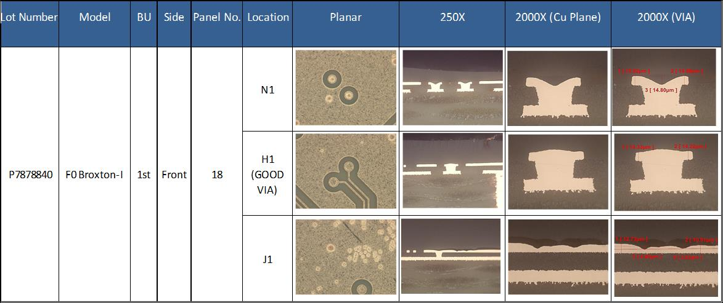

>> Affected unit shows that there is a uneven surface of cu plane.
THE AGENDA ITEM IS RECURRENCE? |  |  |  | RECURRENCE |  |  | NEW |  |  |  | Recurrence Definition |  |  |  | 1. Rootcause is clear happened in same MC and parts 2. Rootcause is not clear but same issue 3. The Action was not proliferated to other process and machine but it was discussed during the meeting
THE AGENDA ITEM IS ESCAPEE? |  |  |  | YES |  |  | NO
PROBLEM CATEGORY |  |  | MAN |  | MACHINE |  |  | METHOD |  |  | MATERIAL |  |  | MEASUREMENT |  |  |  | ENVIRONMENT |  |  |  | OTHERS
DRB CLOSING RANK |  |  | RANK 1 |  | RANK 2 |  |  | RANK 3 |  |  | RANK 4 |  |  | RANK 5 |  |  |  | OTHERS

<2> INVESTIGATION/IDENTIFICATION OF AFFECTED AREA, SITUATION (Define the phenomenon, mode and tendency occurrence,Etc.)

>> Affected lot randomly processed at Acid, SNR, PTP and QET Machine and commonly processed at DEV 4 from 15-16 Sept.
>> Base on lot commonality, lot affected processed at almost on same timing on PTP4 and PTP5 at around 0153h, 0154h,0223h and 0211h.
>> No history of abnormality from previous process.
>> Cu thickness measurement are all within specs (ave: 18.55, min: 17.00, max: 21.6)
>> Panel mapping shows that there is a high tendency on the edge of the panel.

<3> CONTAINMENT ACTION (Note: Do not disable the interlock system when doing the action) |  |  |  |  |  |  |  |  |  |  |  |  |  |  |  | Responsible |  |  | Completion Date |  |  | Status
 |  |  |  |  |  |  |  |  |  |  |  |  |  |  |  | Name / Block
>> Hold affected lots and conduct Investigation |  |  |  |  |  |  |  |  |  |  |  |  |  |  |  | ALL |  |  | ww39.5 |  |  | Done: Still No findings

<4> DISPOSITION OF AFFECTED LOT AND RISK ASSESSMENT

Assessment Item (# of sample/Method) |  |  |  | Responsible Name / Block |  |  | Completion Date |  |  | Assessment Result (No Good/TTL QTY) |  |  |  |  |  | Judgment (OK/NG) |  |  | Final Disposition
100% inspection at PT-AOI |  |  |  | Art/Mfg |  |  | ww39.4 |  |  | 1/4 lot out |  |  |  |  |  | NG
Conduct x-cut analysis |  |  |  | Ferdz/QC |  |  | ww39.4 |  |  | 2/2 sample were failed |  |  |  |  |  | NG |  |  |  | Proceed |  | Qty : ______________________________
 |  |  |  |  |  |  |  |  |  |  |  |  |  |  |  |  |  |  |  | Piece Out |  | Qty : _______ Pnl #: ________________
 |  |  |  |  |  |  |  |  |  |  |  |  |  |  |  |  |  |  |  | Sheet Out |  | Qty : ______________________________
 |  |  |  |  |  |  |  |  |  |  |  |  |  |  |  |  |  |  |  | Lot Out |  | Qty : ______________________________ | 1 lot lot out
 |  |  |  |  |  |  |  |  |  |  |  |  |  |  |  |  |  |  |  | SDR
Risk Assessment Category |  |  |  |  |  |  |  |  |  |  | Remarks
 |  | Low |  | Medium |  |  |  | High |  |  | ________________________

<5>ACTION REQUIRED (Note: Do not disable the interlock system when doing the action)

Action Request |  |  |  |  |  |  |  |  |  | Responsible Name / Block |  |  |  |  |  | Completion Date |  |  | Detail Results
Panel mapping and Panel tendency |  |  |  |  |  |  |  |  |  | Art/Mfg |  |  |  |  |  | ww39.4 |  |  | Done: tendency is on edges of panel
Check Bath Loaded of Sandwich Lot at PTP5 |  |  |  |  |  |  |  |  |  | Ricky/Mfg |  |  |  |  |  | ww39.4 |  |  | Done: Sandwich lot is not affected
Check Development Input parameters and Any Defoamer related alarm |  |  |  |  |  |  |  |  |  | Art/Mfg |  |  |  |  |  | ww39.4 |  |  | Done: No findings
Conduct X-Cut from unit with HVD |  |  |  |  |  |  |  |  |  | Ferdz/QC |  |  |  |  |  | ww39.4 |  |  | Done: Based on x-cut its rejectable mode
Continues investigation of Eng'g team and evaluation |  |  |  |  |  |  |  |  |  | Makis/Eng'g |  |  |  |  |  | TBD

<6> ROOTCAUSE GENERATION/ANALYSIS <WHY ANALYSIS by 5M1E, DESIGN AND CAPABILITY>

 | 1. FACTOR GAP ANALYSIS
 | Problem/Issue |  | Gap Type |  | 1st why |  |  |  | 2nd why |  |  |  |  |  | 3rd why |  |  |  |  |  | 4th why |  |  | 5th why
 |  |  | Technical |  | Still under investigation
 |  |  | Systemic
 |  |  | Detection
 | 2. FINAL ROOT CAUSE and MECHANISM OF AFFECTED ISSUE
 | >> Still Under Investigation

<7> CORRECTIVE ACTION |  |  |  |  |  |  |  |  |  |  |  |  | Responsible |  |  |  | Completion Date |  |  | Status |  |  | Need CN & DR?
 |  |  |  |  |  |  |  |  |  |  |  |  | Name / Block |  |  |  |  |  |  |  |  |  | Yes | No

<8> PREVENTIVE ACTION |  |  |  |  |  |  |  |  |  |  |  |  | Responsible |  |  |  | Completion Date |  |  | Status |  |  | Need CN & DR?
 |  |  |  |  |  |  |  |  |  |  |  |  | Name / Block |  |  |  |  |  |  |  |  |  | Yes | No

<9> PROLIFERATION |  |  |  |  |  |  |  |  |  |  |  |  |  |  |  | Responsible |  |  | Completion |  |  | Status
 |  |  |  |  |  |  |  |  |  |  |  |  |  |  |  | Name / Sign |  |  | Date
Product |  | Block | Process/line |  | Machine |  | Proliferate Item
 |  |  |  |  |  |  | 1
 |  |  |  |  |  |  | 2
<10>AMOUNT OF LOSS . The total sum_________________
Product |  |  |  |  | Unit Qty |  |  |  |  |  |  |  | Amount of Loss |  |  |  |  |  |  | Remarks

<11> CLOSING APPROVAL (The approver person in charge should put details of the validation and closing confirmation result)
The Validation activity |  |  |  |  |  |  |  |  |  |  |  |  |  |  |  |  | Closing Approver |  |  |  |  | Closing Date
 |  |  |  |  |  |  |  |  |  |  |  |  |  |  |  |  | DGM Nobuyuki Ito

 |  |  |  |  |  |  |  |  |  |  |  |  |  |  |  |  |  |  |  |  |  |  |  |  | QA-SCAR-MRB-02-00-01 Rev. 11

